Intro and Examples
Activating a Regional Hydrogen Industry - Clean Hydrogen Industrial Hubs – Hub Implementation Round 1 grant

Use this template to apply for Hydrogen Hub Implementation Round 1 Grants

Introduction and examples

To be eligible, expenditure must:
§ be incurred by you within the project period
§ be a direct cost of the project
§ be incurred by you to undertake required project audit activities
§ meet the guidelines on eligible expenditure.

If your application is successful, the awarded grant will be up to 50 per cent of eligible project costs. The remaining proportion of eligible projects costs we consider your contribution. Your contribution must be cash. You cannot use funding from other Commonwealth government grants to fund the balance of project expenditure not covered by the grant. The project budget includes the total of the requested grant and your contributions (cash only).

Your completed Budget Template must be uploaded to your application prior to submission.

Example
*Please add a new row for each item of eligible expenditure*
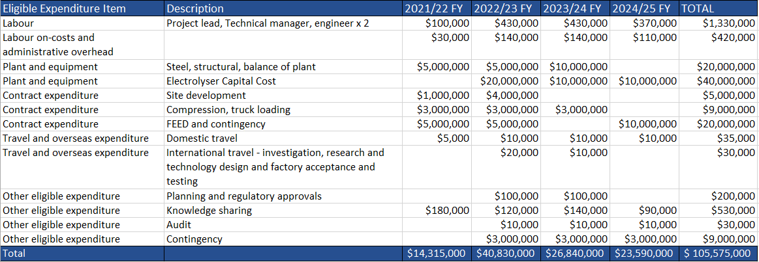

Eligible Expenditure
A summary of eligible expenditure is provided below. For a full description of eligible expenditure please refer to Appendix A of the Grant Opportunity Guidelines. For information on what we consider to be ineligible expenditure, please refer to Appendix C of the Grant Opportunity Guidelines.

Plant and equipment expenditure
We consider costs of acquiring, or construction of, plant and equipment, as well as any related commissioning costs as eligible expenditure. You must list commissioning costs as a separate item within the project budget in the application form, and on reports of expenditure during project milestones. We cannot consider any expenditure paid before the project start date as eligible expenditure. Commissioning and installation costs of plant and equipment paid for before the start date is not eligible expenditure even if these costs are paid after the project start date. You may purchase, lease (finance lease or operating lease under certain conditions) or build plant and equipment. In claiming the purchase price of capital items, you must take out any costs related to financing, including interest. You can claim related freight and installation costs on capital expenditure. Eligible costs for plant and equipment will normally need to be on your balance sheet. We will only consider costs for plant and equipment not on your balance sheet under certain circumstances. We will only consider project costs with an operating lease to be eligible if: - you integrate the plant or equipment into your manufacturing process; and - you cannot transfer the plant or equipment and the lease period is at least 4 years.
Where you need to pay in instalments to purchase capital items (for example deposits, payment on installation, or payment on commissioning), you can claim the grant amount for the items progressively across multiple progress reports up to the end of the project period. Alternatively, you can choose to claim the full amount in a single report, when you pay for the capital item. For leased items, you will need to show an executed copy of the lease identifying the capital cost of the item and the lease period. We can pay you the full grant entitlement when: - you have received the capital item - you have entered into a formal lease agreement, and - you make the initial payment. You may show expenditure on plant and equipment by providing evidence of - purchase price - payments (e.g. tax invoices and receipts from suppliers confirming payment) - commitment to pay for the capital item (e.g. supplier contract, purchase order or executed lease agreement) - receipt of capital items (e.g. supplier or freight documents) - associated costs such as freight and installation (e.g. supplier documents) - the capital item on your premises (e.g. date stamped photographic evidence).
If you claim expenditure for the construction of plant and equipment, we limit this to - the costs of materials - direct construction labour salary costs - contractor costs - freight and establishment costs. Evidence for construction expenditure may include purchase orders, invoices, payment documentation, photographic evidence (date stamped) of the capital item in your premises and details of labour costs. Grant payments for capital items may affect your tax obligations. We recommend that you seek independent professional advice on tax related matters.

Labour Expenditure
Eligible labour expenditure for the grant covers the direct labour costs of employees you directly employ on the core elements of the project. We consider a person an employee when you pay them a regular salary or wage, out of which you make regular tax instalment deductions. We consider costs for technical, but not administrative, project management activities eligible labour expenditure. However, we limit these costs to 10 per cent of the total amount of eligible labour expenditure claimed. We do not consider labour expenditure for leadership or administrative staff (such as CEOs, CFOs, accountants and lawyers) as eligible expenditure, even if they are doing project management tasks. Eligible salary expenditure includes an employee’s total remuneration package as stated on their Pay As You Go (PAYG) Annual Payment Summary submitted to the ATO. We consider salary-sacrificed superannuation contributions as part of an employee’s salary package if the amount is more than what the Superannuation Guarantee requires. The maximum salary for an employee, director or shareholder, including packaged components that you can claim through the grant is $175,000 per financial year. For periods of the project that do not make a full financial year, you must reduce the maximum salary amount you claim proportionally. You can only claim eligible salary costs when an employee is working directly on agreed project activities during the agreed project period.

Labour on-costs and administrative overhead
You may increase eligible salary costs by an additional 30 per cent allowance to cover on-costs such as employer paid superannuation, payroll tax, workers compensation insurance, and overheads such as office rent and the provision of computers. You should calculate eligible salary costs using the formula below:

You cannot calculate labour costs by estimating the employee’s worth. If you have not exchanged money (either by cash or bank transactions) we will not consider the cost eligible. Evidence you will need to provide can include: - details of all personnel working on the project, including name, title, function, time spent on the project and salary - ATO payment summaries, pay slips and employment contracts.

Contract Expenditure
Eligible contract expenditure is the cost of any agreed project activities that you contract others to do. These can include contracting: - another organisation - an individual who is not an employee, but engaged under a separate contract. All contractors must have a written contract prior to starting any project work—for example, a formal agreement, letter or purchase order which specifies: - the nature of the work they perform - the applicable fees, charges and other costs payable. Invoices from contractors must contain: - a detailed description of the nature of the work - the hours and hourly rates involved - any specific plant expenses paid. Invoices must directly relate to the agreed project, and the work must qualify as an eligible expense. The costs must also be reasonable and appropriate for the activities performed. We will require evidence of contractor expenditure that may include: - an exchange of letters (including email) setting out the terms and conditions of the proposed contract work - purchase orders - supply agreements - invoices and payment documents. You must ensure all project contractors keep a record of the costs of their work on the project. We may require you to provide a contractor’s records of their costs of doing project work. If you cannot provide these records, the relevant contract expense may not qualify as eligible expenditure.

Travel and overseas expenditure
Eligible travel and overseas expenditure may include - domestic travel limited to the reasonable cost of accommodation and transportation required to conduct agreed project and collaboration activities in Australia - overseas travel limited to the reasonable cost of accommodation and transportation required in cases where the overseas travel is material to the conduct of the project in Australia. Eligible air transportation is limited to the economy class fare for each sector travelled; where non-economy class air transport is used only the equivalent of an economy fare for that sector is eligible expenditure. Where non-economy class air transport is used, the grantee will require evidence showing what an economy air fare costs at the time of travel. We will consider value for money when determining whether the cost of overseas expenditure is eligible. This may depend on - the proportion of total grant funding that you will spend on overseas expenditure - the proportion of the service providers total fee that will be spent on overseas expenditure - how the overseas expenditure is likely to aid the project in meeting the program objectives Overseas travel must be at an economy rate and you must demonstrate you cannot access the service, or an equivalent service in Australia. Eligible overseas activities expenditure is generally limited to 10 per cent of total eligible expenditure, unless agreed by the program delegate.

Other eligible expenditure
Other eligible expenditures for the project may include: - building modifications where you own the modified asset and the modification is required to undertake the project, for example installing a clean room. Modifications to leased buildings may be eligible. You must use the leased building for activities related to your manufacturing process - staff training that directly supports the achievement of project outcomes - financial auditing of project expenditure - costs you incur in order to obtain planning, environmental or other regulatory approvals during the project period. However, associated fees paid to the Commonwealth, state, territory and local governments are not eligible - contingency costs up to a maximum of 10% of the eligible project costs. Note that we make payments based on actual costs incurred. Other specific expenditures may be eligible as determined by the Program Delegate. Evidence you need to supply can include supplier contracts, purchase orders, invoices and supplier confirmation of payments.

