Intro and Examples
Moon to Mars Initiative: Demonstrator Missions Grant | Example budget currently set up for Demonstrator Missions

Introduction and examples

You can only spend grant funds on eligible expenditure that you have incurred on an agreed project as defined in your grant agreement.
To be eligible, expenditure must be a direct cost of your mission project.

If your application is successful, we may ask you to verify project costs that you provided in your application. You may need to provide evidence, such as quotes for major costs. Not all expenditure on your project may be eligible for Demonstrator Missions grant funding. The Program Delegate (who is an AusIndustry general manager within the department with responsibility for the program) makes the final decision on what is eligible expenditure and may give additional guidance on eligible expenditure if required. You must incur the project expenditure between the project start and end date for it to be eligible unless stated otherwise. You must not commence your project until you execute a grant agreement with the Commonwealth.
Your completed Budget Template must be uploaded to your application prior to submission.

Example
*Please add a new row for each item of eligible expenditure*
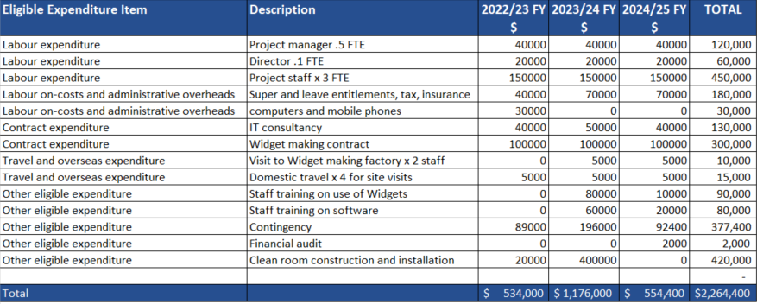

Eligible expenditure

Labour expenditure
Direct labour costs of employees you directly employ on the core elements of the project. We consider a person an employee when you pay them a regular salary or wage, out of which you make regular tax instalment deductions

Labour on-costs and administrative overhead (up to 30%)
Up to 30% labour on-costs to cover employer paid superannuation, payroll tax, workers compensation insurance, and overheads such as office rent and the provision of computers for staff directly working on the project

Contract expenditure
Contract expenditure being the cost of any agreed project activities that you contract to others

Travel and overseas expenditure
Domestic and/or international travel limited to the reasonable cost of accommodation and transportation (including transportation of equipment) required to conduct agreed project activities (eligible overseas activities cannot exceed 10% of the total project costs)

Other eligible expenditure
Assembly, integration or test costs Reasonable launch costs Staff training that directly supports the achievement of project outcomes Contingency costs up to a maximum of 20% of the eligible project costs. Note that we make payments based on actual costs incurred Financial auditing of project expenditure Building modifications where you own the modified asset and the modification is required to undertake the project Other eligible expenditure as approved by the Program Delegate

