Intro and Examples
Space Infrastructure Fund - Mission Control Centre Eligible Budget Template

Introduction and examples

To be eligible, expenditure must:
§ be a direct cost of the project
§ be incurred by you for required project audit activities
You must not commence your project until you execute a grant agreement with the Commonwealth.

Joint applications are acceptable, provided you have a lead applicant who is the main driver of the project and is eligible to apply. For further information on joint applications, refer to section 7.2.

The grant amount will be up to 100 percent of project costs, however we expect that to be competitive, you will provide some additional contribution.
You can fund your contribution from any other source, including State, Territory and local government grants.
You cannot use funding from other Commonwealth grants to fund your share of eligible project costs.
Your contribution must be cash.

Your completed Budget Template must be uploaded to your application prior to submission.

Example Budget
*Please add a new row for each item of eligible expenditure*
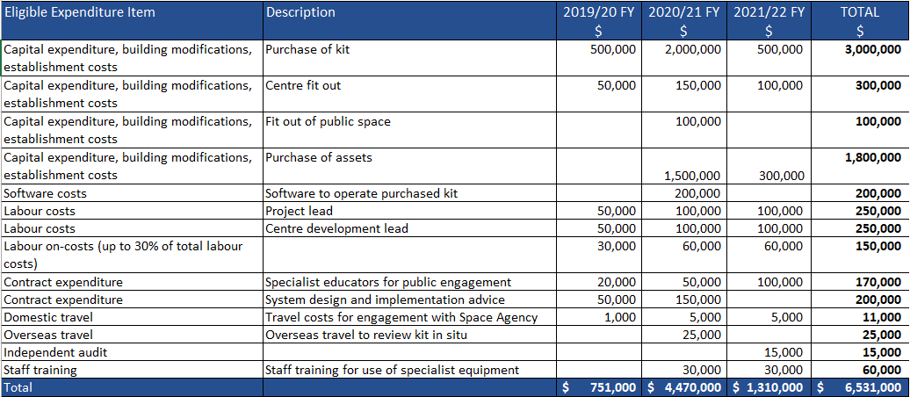

Eligible Expenditure
A summary of eligible expenditure is provided below. For a full description of eligible expenditure please refer to 5.3 Eligible Expenditure of the Grant Opportunity Guidelines. For information on what you cannot use the grant for, please refer to 5.4 of the Grant Opportunity Guidelines.

Capital, building modifications and establishment costs
§ capital expenditure for the purchase of assets related to the mission control centre
§ building modifications, where the modification is required to undertake the project
§ establishment costs including fit-out, hardware and furnishings.

Software costs
§ software costs directly related to the project.

Labour costs
§ direct labour costs of employees you directly employ on the core elements of the project. We consider a person an employee when you pay them a regular salary or wage, out of which you make regular tax instalment deductions.

Labour on-costs (up to 30% of labour costs)
§ up to 30% labour on-costs to cover employer paid superannuation, payroll tax, workers compensation insurance, and overheads such as office rent and the provision of computers for staff directly working on the project.

Contract expenditure
§ contract expenditure, which is the cost of any agreed project activities that you contract to others.

Staff training
§ staff training that directly supports the achievement of project outcomes.

Operational costs including rent or leasing costs
§ operational costs for the duration of the grant.
§ rent or leasing costs for the duration of the grant.

Domestic travel
§ domestic travel limited to the reasonable cost of accommodation and transportation required to conduct the agreed project and collaboration activities in Australia

Overseas travel
§ overseas travel (capped at 5% of eligible project costs unless otherwise approved by the program delegate) limited to the reasonable cost of accommodation and transportation required in cases where the overseas travel is material to the conduct of the project in Australia.

Independent audit
§ the cost of an independent audit of project expenditure (where we request one) up to a maximum of 1 per cent of total eligible expenditure).

Other eligible expenditure
§ other eligible expenditure as approved by the program delegate (who is an AusIndustry manager within the department with responsibility for the program).

